Kruskal
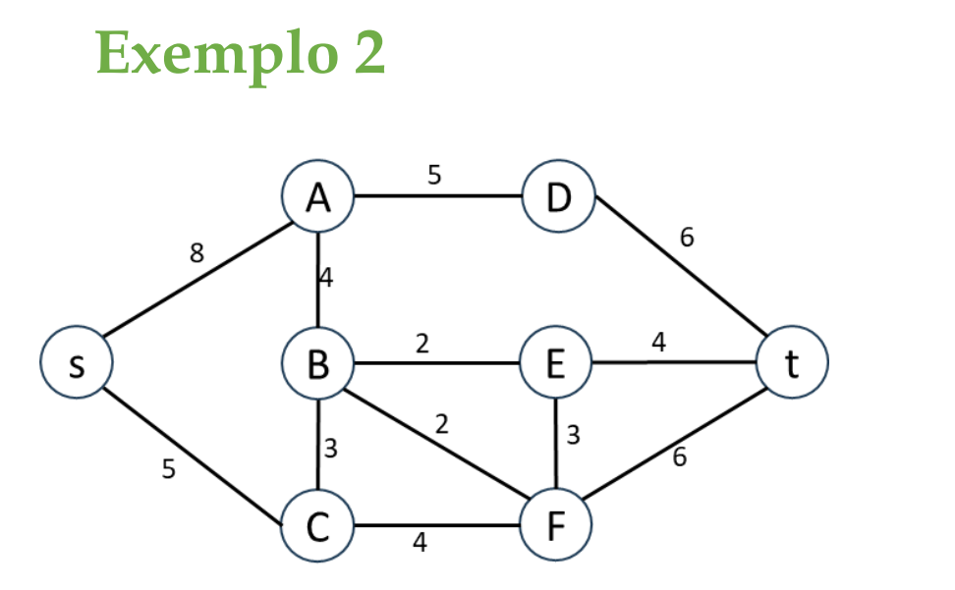
 |  | Total
B-E | 2 | 25
B-F | 2
B-C | 3
E-F | 3
A-B | 4
C-F | 4
E-t | 4
A-D | 5
s-C | 5
D-t | 6
F-t | 6
s-A | 8

Prim
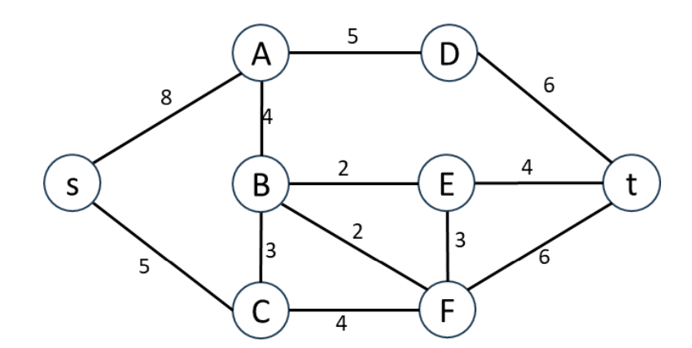
 |  | s | A | B | C | D | E | F | t
1 | s | (0,s) | (8,s) |  | (5,s)
2 | C |  |  | (3,C) |  |  |  | (4,C)
3 | B |  | (4,B) |  |  |  | (2,B) | (2,B)
4 | E |  |  |  |  |  |  | (3,E) | (4,E)
5 | F |  |  |  |  |  |  |  | (6,F)
6 | A |  |  |  |  | (5,D)
7 | t |  |  |  |  | (6,t)
8 | D

Prim (2)
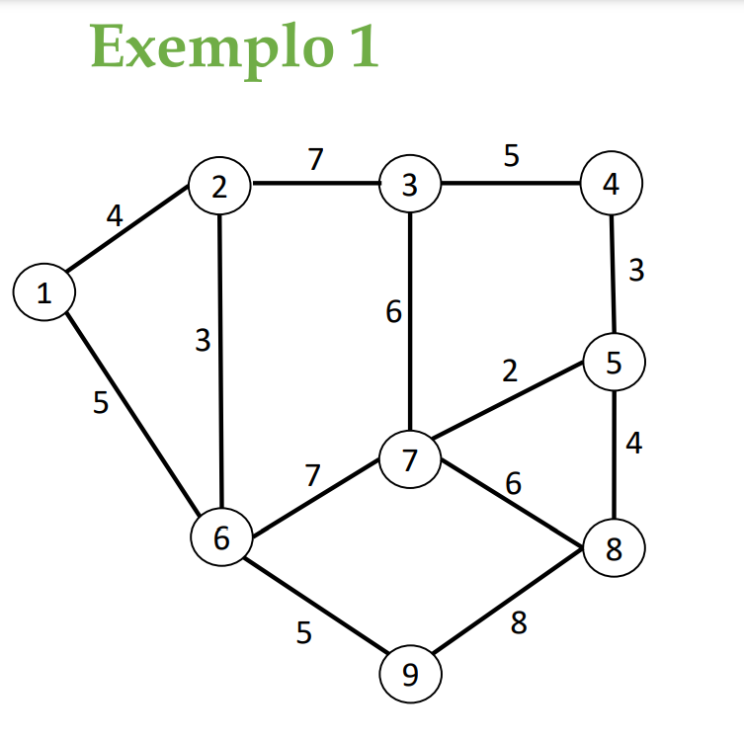
 |  | 1 | 2 | 3 | 4 | 5 | 6 | 7 | 8 | 9
1 | 1 | (0,1) | (4,1) |  |  |  | (5,1)
2 | 2 |  |  | (7,2) |  |  | (3,2)
3 | 6 |  |  |  |  |  |  | (7,6) |  | (5,6)
4 | 9 |  |  |  |  |  |  |  | (8,9)
5 | 3 |  |  |  | (5,3) |  |  | (6,3)
6 | 4 |  |  |  |  | (3,4)
7 | 5 |  |  |  |  |  |  | (2,5) | (4,5)
8 | 7 |  |  |  |  |  |  |  | (6,7)
9 | 8

 |  |  |  |  |  |  | Z= | 33

